Overview
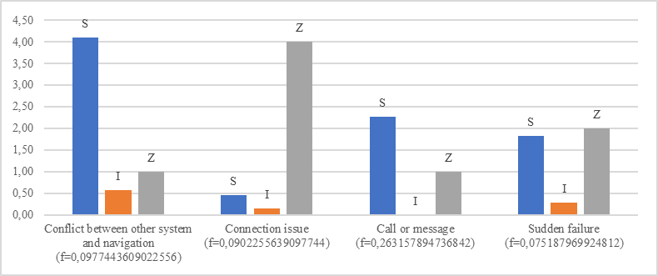
Relative count
code |  | S | I | Z | f
Conflict between other system and navigation | Conflict between other system and navigation (f=0,0977443609022556) | 0.47 | 0.57 | 0.13 | 0.10
Connection issue | Connection issue (f=0,0902255639097744) | 0.05 | 0.14 | 0.50 | 0.09
Call or message | Call or message (f=0,263157894736842) | 0.26 | 0.00 | 0.13 | 0.26
Sudden failure | Sudden failure (f=0,075187969924812) | 0.21 | 0.29 | 0.25 | 0.08

 |  |  |  |  |  | Relative frequencies inside groups
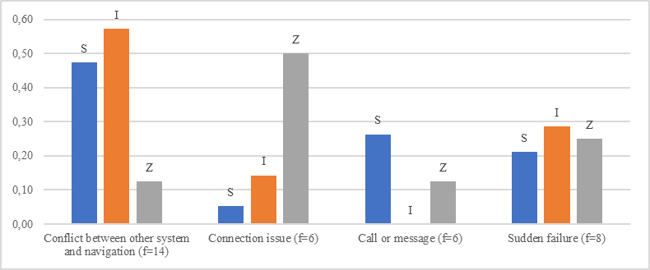

 |  |  |  |  |  | Weighted frequencies

